v2
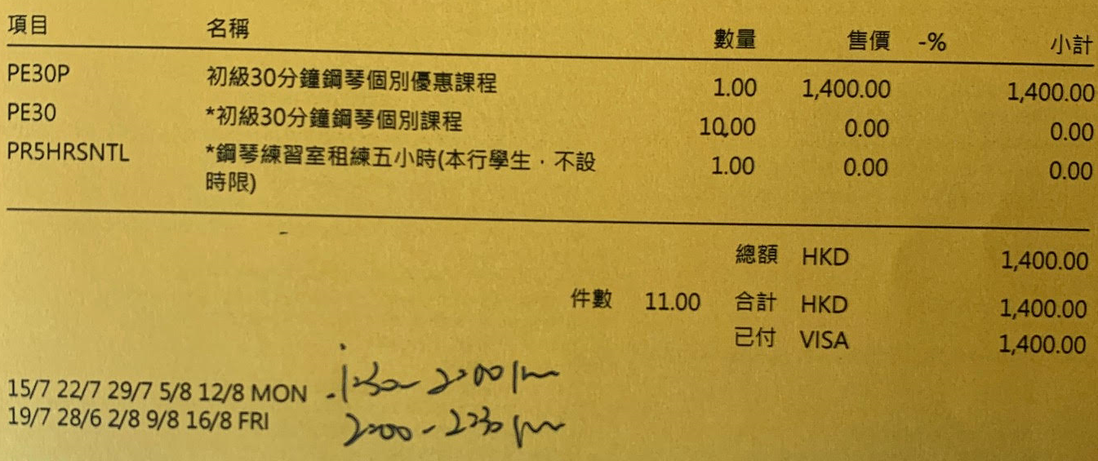
Sun | Mon | Tue | Wed | Thu | Fri | Sat
11 | 12 | 13 | 14 | 15 | 16 | 17
 | Dinner at 22A ❶ | Dinner at 18:30 Dinner at 22A ❷ | Dinner at 22A ❶ | Dinner at 18:30 Dinner at 22A ❷
Painting Class 圓點小教室 10:00-11:00 | Piano Class 13:30 - 14:00 日朗坊 Interview Class 3 16:30 - 18:30 | Swimming Class 3 17:00 - 18:00 | 日朗坊 Interview Class 4 16:30 - 18:30 | Swimming Class 4 17:00 - 18:00 | Piano Class 14:00 - 14:30 | English Class (LCM) 13:00 - 14:00
18 | 19 | 20 | 21 | 22 | 23 | 24
 | Dinner at 22A ❶ | Dinner at 18:30 Dinner at 22A ❷ | Dinner at 22A ❶
Painting Class 圓點小教室 10:00-11:00 | Piano Class 13:30 - 14:00 日朗坊 Interview Class 5 16:30 - 18:30 | Painting Class 圓點小教室15朵向日葵 14:30 - 15:30 Swimming Class 5 17:00 - 18:00 | 日朗坊 Interview Class 6 16:30 - 18:30 | 日朗坊 Cooking Class 4 14:00 - 16:00 | Piano Class 14:00 - 14:30 | English Class (LCM) 13:00 - 14:00
25 | 26 | 27 | 28 | 29 | 30 | 31
Painting Class 圓點小教室 10:00-11:00 | Piano Class 13:30 - 14:00 | Holiday | Painting Class 圓點小教室挑戰繪畫比賽 14:30-15:30 | 日朗坊 Cooking Class 5 14:00 - 16:00 | Piano Class 14:00 - 14:30 | English Class (LCM) 13:00 - 14:00

❶ | After the interview class, Hermine will come back to 1001 for a while. She will then be brought back to 22A to have adult dinner.
 | No need to bring any child dinner to 1001.
❷ | After the swimming class, Hermine will stay and have child dinner at 22A.

 |  |  |  |  | Printed on | 6/27/20
 |  |  |  |  | Version | 2.0

20200701
Sun | Mon | Tue | Wed | Thu | Fri | Sat
28 | 29 | 30 | 1 July | 2 | 3 | 4
Painting Class 11:00-12:00 | Piano Class 13:30 - 14:00 日朗坊 珠心算 16:30 - 17:30 |  |  | 圓點小教室工作坊 10:00 - 11:00 日朗坊 Cambridge 14:45 - 15:45 | Piano Class 15:00 - 15:30 | 日朗坊 Interview Class 16:00-17:30
5 | 6 | 7 | 8 | 9 | 10 | 11
Painting Class 11:00-12:00 | Piano Class 13:30 - 14:00 日朗坊 珠心算 16:30 - 17:30 |  |  | 圓點小教室工作坊 10:00 - 11:00 日朗坊 Cambridge 14:45 - 15:45 | Piano Class 15:00 - 15:30 | 日朗坊 Interview Class 16:00-17:30
12 | 13 | 14 | 15 | 16 | 17 | 18
Painting Class 11:00-12:00 | Piano Class 13:30 - 14:00 日朗坊 珠心算 16:30 - 17:30 | Swimming Class 1 17:00 - 18:00 |  | 圓點小教室工作坊 10:00 - 11:00 日朗坊 Cambridge 14:45 - 15:45 Swimming Class 2 17:00 - 18:00 | Piano Class 15:00 - 15:30 | 圓點 Interview Class 1 14:30-15:30 日朗坊 Interview Class 16:00-17:30
19 | 20 | 21 | 22 | 23 | 24 | 25
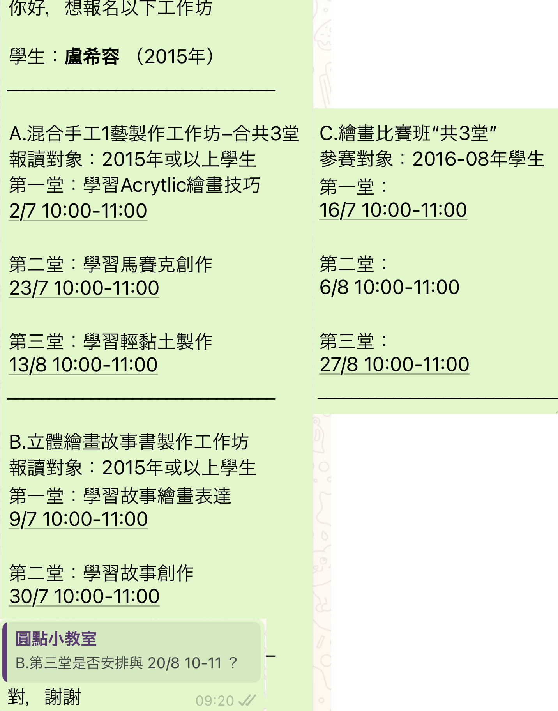
Painting Class 11:00-12:00 | Piano Class 13:30 - 14:00 日朗坊 珠心算 16:30 - 17:30 | Swimming Class 3 17:00 - 18:00 | 日朗坊 Cooking Class 1 10:30-12:30 | 圓點小教室工作坊 10:00 - 11:00 日朗坊 Cambridge 14:45 - 15:45 Swimming Class 4 17:00 - 18:00 | Piano Class 15:00 - 15:30 | 圓點 Interview Class 2 14:30-15:30 日朗坊 Interview Class 16:00-17:30
26 | 27 | 28 | 29 | 30 | 31 | 1 August
Painting Class 11:00-12:00 | Piano Class 13:30 - 14:00 日朗坊 珠心算 16:30 - 17:30 | Swimming Class 5 17:00 - 18:00 | 日朗坊 Cooking Class 2 10:30-12:30 | 圓點小教室工作坊 10:00 - 11:00 日朗坊 Cambridge 14:45 - 15:45 | Piano Class 15:00 - 15:30 | 日朗坊 Interview Class 16:00-17:30
2 | 3 | 4 | 5 | 6 | 7 | 8
Painting Class 11:00-12:00 | Piano Class 13:30 - 14:00 日朗坊 珠心算 16:30 - 17:30 |  | 日朗坊 Cooking Class 3 10:30-12:30 | 圓點小教室工作坊 10:00 - 11:00 日朗坊 Cambridge 14:45 - 15:45 | Piano Class 15:00 - 15:30 | 日朗坊 Interview Class 16:00-17:30
9 | 10 |  | 12 | 13 | 14 | 15
Painting Class 11:00-12:00 | Piano Class 13:30 - 14:00 日朗坊 珠心算 16:30 - 17:30 |  | 日朗坊 Cooking Class 4 10:30-12:30 | 圓點小教室工作坊 10:00 - 11:00 日朗坊 Cambridge 14:45 - 15:45 | Piano Class 15:00 - 15:30 | 盧希容見李清文 10:00-10:30 圓點 Interview Class 3 14:30-15:30 日朗坊 Interview Class 16:00-17:30
16 | 17 |  | 19 | 20 | 21 | 22
Painting Class 11:00-12:00 | Piano Class 13:30 - 14:00 日朗坊 珠心算 16:30 - 17:30 |  | 日朗坊 Cooking Class 5 10:30-12:30 | 圓點小教室工作坊 10:00 - 11:00 日朗坊 Cambridge 14:45 - 15:45 | Piano Class 15:00 - 15:30 | 日朗坊 Interview Class 16:00-17:30
23 | 24 |  | 26 | 27 | 28 | 29
Painting Class 11:00-12:00 | Piano Class 13:30 - 14:00 日朗坊 珠心算 16:30 - 17:30 |  | 日朗坊 Cooking Class 6 10:30-12:30 | 圓點小教室工作坊 10:00 - 11:00 日朗坊 Cambridge 14:45 - 15:45 | Piano Class 15:00 - 15:30 | 圓點 Interview Class 4 14:30-15:30 日朗坊 Interview Class 16:00-17:30

